MEASUREMENTS
NITRO MENS JACKET |  |  |  |  |  |  |  | SAMPLE SIZE LARGE / XS-XXL
SEASON: |  | WINTER 2018/2019 |  |  |  |  |  | CONTRACTOR: |  |  |  |  |  | SOLUNA
STYLE NUMBER: |  | N18-109 |  |  |  |  |  | DATE CREATED: |  |  |  |  |  | 2017-03-17
STYLE NAME: |  | REGULATOR FLEECE |  |  |  |  |  | DATE REVISED: |  |  |  |  |  | 0
WATERPROOF/BREATHABILITY: |  | DWR ONLY |  |  |  |  |  | BLOCK: |  |  |  |  |  | BASED ON N17-109 REDUCE FIT
SEAM SEALINING: |  | NO SEAM TAPING |  |  |  |  |  | FIT: |  |  |  |  |  | LAYERING PIECE
INSULATION: |  | QUILTED YOKE AND ELBOW PATCHES 40G PINNECO CORE |  |  |  |  |  | TARGET FOB: |  |  |  |  |  | $0.00
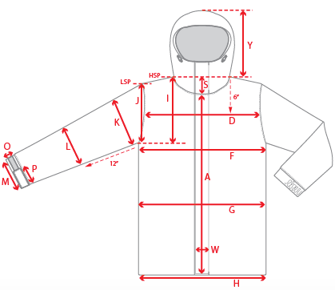 |  |  | 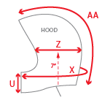 |  |  |  | 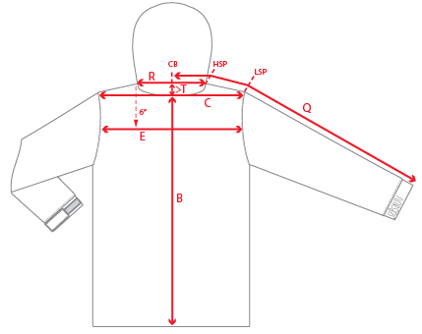
 |  |  |  | 1ST PROTO |  |  | 2ND PROTO |  |  | 3RD PROTO |  |  | S/SAMPLE |  |  | PP SAMPLE |  | FINAL
 |  |  | DATE: |  |  | DATE: |  |  | DATE: |  |  | DATE: |  |  | DATE:
 |  | TOL +/- | INITIAL MEASMNT | SAMPLE MEASURES | REVISE TO | REQUESTED | SAMPLE MEASURES | REVISE TO | REQUESTED | SAMPLE MEASURES | REVISE TO | REQUESTED | SAMPLE MEASURES | REVISE TO | REQUESTED | SAMPLE MEASURES | REVISE TO | APPROVED MEASMNTS
A | CF LENGTH - FROM NECKLINE | 0.25 | 26.25
B | CB LENGTH - FROM NECKLINE | 0.25 | 29.75
C | SHOULDER WIDTH | 0.25 | 19.75
D | ACROSS FRONT- 6" FROM HPS | 0.25
E | ACROSS BACK- 6" FROM HPS | 0.25
F | CHEST WIDTH - 1" BELOW ARMHOLE (1/2 MEASURE) | 0.25 | 23.5
G | WAIST WIDTH - 1/2 MEASURE, FROM HSP: S-19", M-19.5", L-20", XL-20.5" | 0.25 | 23
H | HEM OPENING RELAXED - (1/2 MEASURE) | 0.25 | 21
 | HEM OPENING EXTENDED - (1/2 MEASURE) | 0.25 | 22.5
I | ARMHOLE FRM HSP - STRAIGHT (1/2 MEASURE) | 0.125
J | ARMHOLE FRM LSP - STRAIGHT (1/2 MEASURE) | 0.125 | 10.375
K | BICEP - 1" BELOW UNDERARM (1/2 MEASURE) | 0.125 | 9.375
L | ELBOW - 12" BELOW UNDERARM (1/2 MEASURE) | 0.125 | 7.5
M | SLEEVE OPENING - RELAXED (1/2 MEASURE) | 0.125 | 4.25
N | SLEEVE OPENING - STRETCHED (1/2 MEASURE) | 0.125 | 5.75
O | SLEEVE CUFF HEIGHT | 0.125
Q | CB SLEEVE LENGTH - 3 PT MEASURE FROM CB | 0.25 | 38
R | NECK WIDTH - STRAIGHT HPS TO HPS (1/2 MEASURE) | 0.125 | 8
S | FRONT NECK DROP - FROM HSP | 0.125 | 4.375
T | BACK NECK DROP - FROM HSP | 0.125 | 1
U | CF COLLAR HEIGHT | 0.125
V | CB COLLAR HEIGHT | 0.125 | 2
W | CENTER FRONT PLACKET WIDTH | 0.125
X | COLLAR CIRCUMFERENCE | 0.25
 | CHEST POCKET WELT LENGTH | 0.125
 | CHEST POCKET WELT WIDTH | 0.125
 | HAND POCKET WELT LENGTH | 0.125 | 7.5
 | HAND POCKET WELT WIDTH | 0.125
ZIPPERS | CENTER FRONT | 0.25 | 26.25
 | HAND POCKETS VERTICAL | 0.125 | 7.25
 | CHEST POCKET | 0.125 | 5.25
 | LINING POCKET VERTICAL | 0.125 | 6.5

 | ZIPPER RULES:
 | CF = XXX SHORTER THAN CF LENGTH

